Φύλλο1
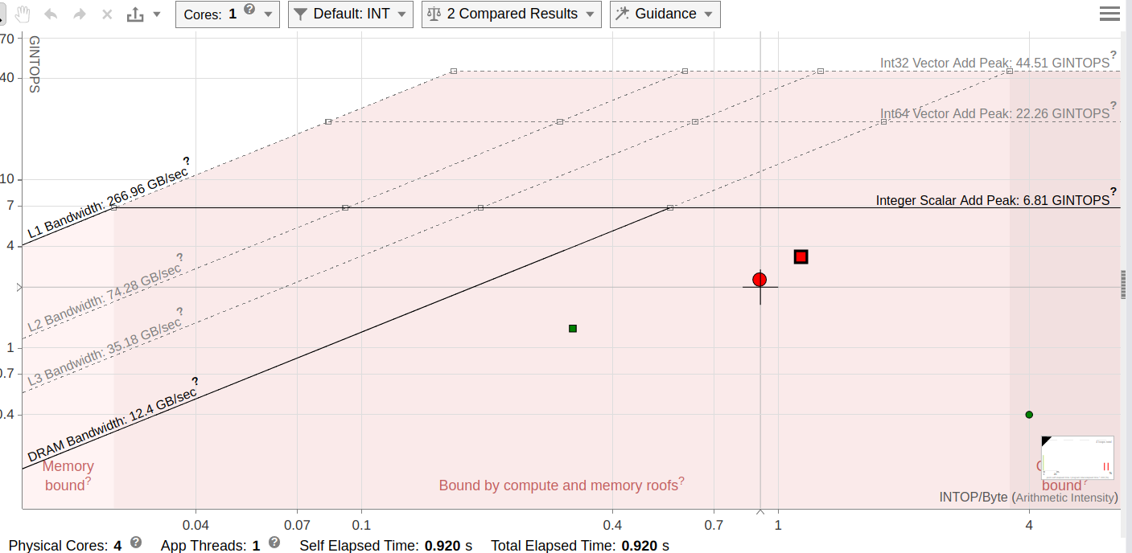
x86 |  |  |  |  | ARM |  |  |  |  | FPGA
Ν | Μ | unoptimised (s) | optimised (s) | Optimisation | Ν | Μ | unoptimised (s) | optimised (s) | Optimisation | Ν | Μ | unoptimised (s) | optimised (s) | Optimisation
32 | 32 | 0.000013 | 0.000012 | 92.3077% | 32 | 32 | 0.000098 | 0.000045 | 45.9184% | 32 | 32 | 0.002565564 |  | 0.0000%
32 | 65536 | 0.034103 | 0.018605 | 54.5553% | 32 | 65536 | 0.175177 | 0.076079 | 43.4298% | 32 | 65536 | 2.627698953 |  | 0.0000%
256 | 65536 | 0.263528 | 0.137813 | 52.2954% | 256 | 65536 | 1.402216 | 0.586488 | 41.8258% | 256 | 65536 | 0.448956584 |  | 0.0000%
256 | 300000 | 1.196854 | 0.628575 | 52.5189% | 256 | 300000 | 6.417753 | 2.685104 | 41.8387% | 256 | 300000 | - | - | -
LSAL performance on x86
LSAL performance on ARM

x86 vs ARM Optimized |  |  |  |  | x86 vs ARM Unoptimized
Ν | Μ | ARM | x86 | Optimisation | Ν | Μ | ARM | x86 | Optimisation
32 | 32 | 0.000045 | 0.000012 | 26.6667% | 32 | 32 | 0.000098 | 0.000013 | 13.2653%
32 | 65536 | 0.076079 | 0.018605 | 24.4548% | 32 | 65536 | 0.175177 | 0.034103 | 19.4677%
256 | 65536 | 0.586488 | 0.137813 | 23.4980% | 256 | 65536 | 1.402216 | 0.263528 | 18.7937%
256 | 300000 | 2.685104 | 0.628575 | 23.4097% | 256 | 300000 | 6.417753 | 1.196854 | 18.6491%
x86 vs ARM Unoptimised
x86 vs ARM Unoptimised

